Source Tables
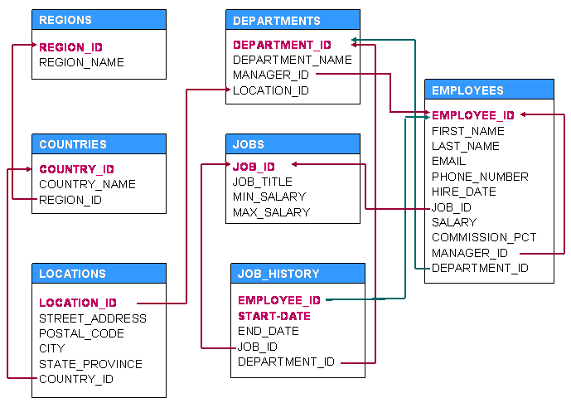
TABLE-1 | COLUMN NAMES | DATA TYPES | KEYS
EMPLOYEES | EMPLOYEE_ID | NUMBER(6) | P
 | FIRST_NAME | VARCHAR2(20)
 | LAST_NAME | VARCHAR2(20)
 | EMAIL | VARCHAR2(25) | U
 | PHONE_NUMBER | VARCHAR2(20)
 | HIRE_DATE | DATE
 | JOB_ID | VARCHAR2(10) | F
 | SALARY | NUMBER(8,2)
 | COMMISSION_PCT | NUMBER(2,2)
 | MANAGER_ID | NUMBER(6) | F
 | DEPARTMENT_ID | NUMBER(4) | F

TABLE-2 | COLUMN NAMES | DATA TYPES | KEYS
DEPARTMENTS | DEPARTMENT_ID | NUMBER(4) | P
 | DEPARTMENT_NAME | VARCHAR2(30)
 | MANAGER_ID | NUMBER(6) | F
 | LOCATION_ID | NUMBER(4) | F

TABLE-3 | COLUMN NAMES | DATA TYPES | KEYS
JOBS | JOB_ID | VARCHAR2(10) | P
 | JOB_TITLE | VARCHAR2(35)
 | MIN_SALARY | NUMBER(6)
 | MAX_SALARY | NUMBER(6)

TABLE-4 | COLUMN NAMES | DATA TYPES | KEYS
JOB_HISTORY | EMPLOYEE_ID | NUMBER(6) | PF
 | START_DATE | DATE | P
 | END_DATE | DATE
 | JOB_ID | VARCHAR2(10) | F
 | DEPARTMENT_ID | NUMBER(4) | F

TABLE-5 | COLUMN NAMES | DATA TYPES | KEYS
REGIONS | REGION_ID | NUMBER | P
 | REGION_NAME | VARCHAR2(25)

TABLE-6 | COLUMN NAMES | DATA TYPES | KEYS
COUNTRIES | COUNTRY_ID | CHAR(2) | P
 | COUNTRY_NAME | VARCHAR2(40)
 | REGION_ID | NUMBER

TABLE-7 | COLUMN NAMES | DATA TYPES | KEYS
LOCATIONS | LOCATION_ID | NUMBER(4) | P
 | STREET_ADDRESS | VARCHAR2(40)
 | POSTAL_CODE | VARCHAR2(12)
 | CITY | VARCHAR2(30)
 | STATE_PROVINCE | VARCHAR2(25)
 | COUNTRY_ID | CHAR(2) | F

